Sheet1
 | 241210 | Lot 3
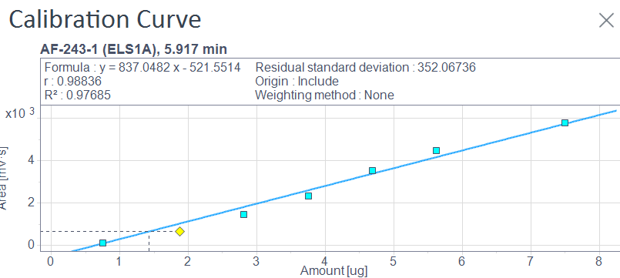
LC | Sample | Area | Inj V (uL) | Total V (uL) | Inj mass (ug) | Total mass (ug) | Expected mass (mg) | Yield | Conc (mM)
 | DMSO 1 | 2091.15 | 10 | 1600 | 3.12 | 499.41 | 2.9 | 17.221106923
 | DMSO 2 | 1865.69 | 10 | 1600 | 2.85 | 456.32 | 2.9 | 15.735030922
 | DMSO 3 | 32.67 | 10 | 1600 | 0.66 | 105.94 | 2.9 | 3.6530339797
 | Dioxane 1 | 7453.79 | 10 | 1600 | 9.53 | 1524.47 | 2.9 | 52.567911695 | 3.29
 | Dioxane 2 | 4346.16 | 10 | 1600 | 5.82 | 930.45 | 2.9 | 32.084569365
 | Dioxane 3 | 1710.35 | 10 | 1600 | 2.67 | 426.62 | 2.9 | 14.711137345

SFC | Sample | Total mass [ug] | Expected mass [mg] | Yield [%]
 | DMSO 1 | 499.4 | 2.9 | 17.2
 | DMSO 2 | 456.3 | 2.9 | 15.7
 | DMSO 3 | 105.9 | 2.9 | 3.7
 | Dioxane 1 | 1524.5 | 2.9 | 52.6
 | Dioxane 2 | 930.5 | 2.9 | 32.1
 | Dioxane 3 | 426.6 | 2.9 | 14.7

